Material Property
 | Material Property |  |  |  | Objective: |  | Select appropriate material for each structural component by considering compomemt purpose and material properties

Step 1 |  | Merit Indices for Key Structural Performance Metrics |  |  | Source
Define merit indices for important structural performance metrics |  | Metric | Abbreviation | Merit Index
 |  | Yield strength | YS
 |  | Compressive strength | CS
 |  | Tensile strength | TeS
 |  | Fatigue Strength | FaS
 |  | Stiffness | ST
 |  | Torsional Strength | ToS

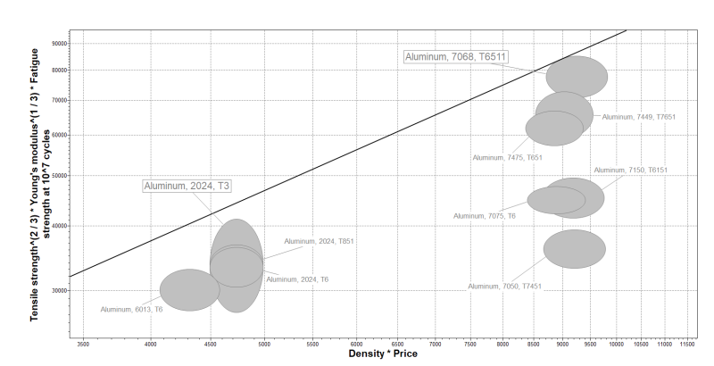
Step 2 |  | Wingbox Material Selection |  |  |  |  |  | Example: | Granta EduPack
Choose appropriate merit index for each component and therefore an appropriate material |  | Wingbox Structure Components | Value to Max | Material Index | Chosen Material
 |  | Upper skin | CS, ToS,FaS
 |  | Lower skin | TeS,FaS, ToS
 |  | Stringers | CS, YS, FaS
 |  | Spars | ToS, FaS
 |  | Ribs | CS, YS, FaS

 |  | Fuselage Material Selection
 |  | Fuselage Structure Components | Value to Max | Material Index | Chosen Material
 |  | Upper skin | TeS, ToS, FaS
 |  | Lower skin | CS, ToS, FaS
 |  | Stringer | ST, YS
 |  | Light frames | ST, YS
 |  | Heavy frames | ST, YS

Step 3 |  | Material properties: Al 2024 |  |  |  | Souce
Sample material properties for Al 2024 |  | Young's modulus | E | 72000 | N/mm^2
 |  | Poisson ratio | v | 0.33
 |  | Shear modulus | G | 28000 | N/mm^2
 |  | Bulk modulus | K | 71000 | N/mm^2

 |  | Tensile yield stress | 455 | Mpa
 |  | Shear yield stress | 262.7 | Mpa
 |  | Density | 2.78E+03 | kg/m^3

Stringer skin
 | Stringer Skin Panels |  |  |  | Objective: |  | Design and analyse a fuselage skin-stringer panel

Step 1 |  | Idealisations |  |  |  |  | 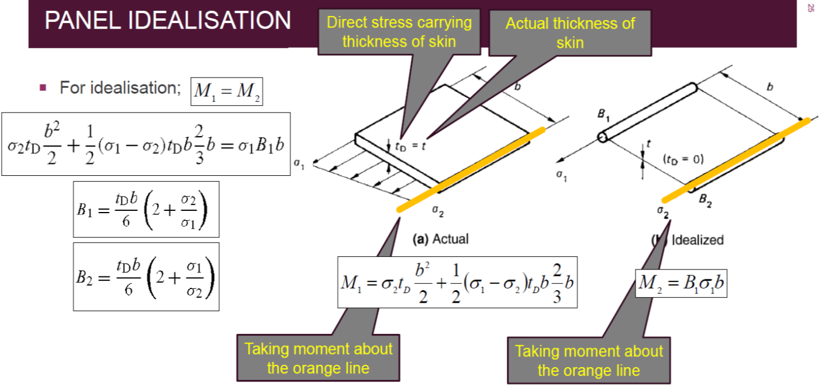 |  |  |  |  | Aircraft Structures for Engineering Students, Megson T.H.G., Fourth Edition, Section 20.2, Page 559
Idealise skin-stringer panels for a simpler analysis |  | Shear flow is resisted entirely by the skin

 |  | Direct stress is resisted by the skin and stringers, as shown in diagram to the right

Step 2 |  |  | Declare Load |  |  |  |  |  |  | 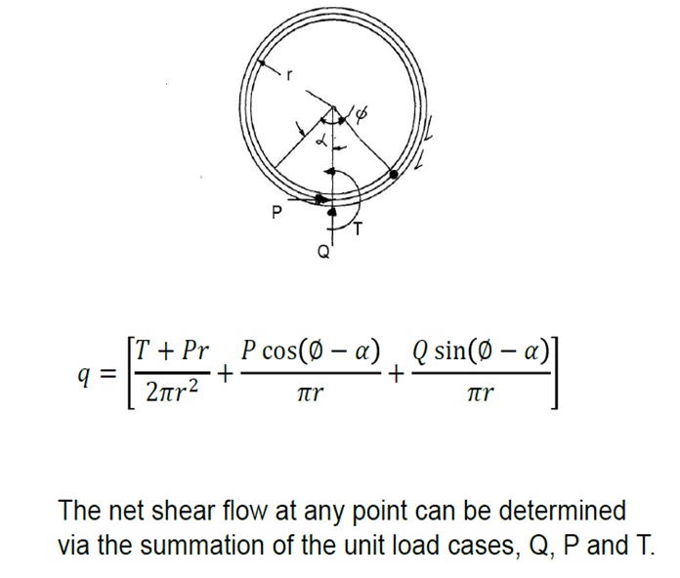 | Aircraft Structures for Engineering Students, Megson T.H.G., Fourth Edition, Equations 17.15, 18.1
Calculate shear flow and skin thickness required to resist it |  |  |  |  | Radius | Point Load on Ring
 |  |  | Up, right are +ve |  | r (m) | Q (N) | P (N) | T (Nm)
 |  |  | Anti-clock wise is +ve |  | 3.19 | 5.95E+05 | 0 | 1.26E+06

 |  |  | Shear condition
 |  |  | Description | Symbol | Value | Unit
 |  |  | Radial Load | Q | 5.95E+05 | N
 |  |  | Tangential Load | P | 0 | Nm
 |  |  | Torque | T | 1.26E+06 | Nm

 |  | Calculate Shear Flow
 |  | phi | Q Sflow | P Sflow | T Sflow | Total Sflow | Plot Sflow | Circle
 |  | 180 | 0 | 0 | 19762.794138 | 19763 | 1.52E+06 | 1.50E+06
 |  | 170 | 10325 | 0 | 19762.794138 | 30088 | 1.53E+06 | 1.50E+06
 |  | 160 | 20323 | 0 | 19762.794138 | 40086 | 1.54E+06 | 1.50E+06
 |  | 150 | 29703 | 0 | 19762.794138 | 49466 | 1.55E+06 | 1.50E+06
 |  | 140 | 38181 | 0 | 19762.794138 | 57944 | 1.56E+06 | 1.50E+06
 |  | 130 | 45500 | 0 | 19762.794138 | 65262 | 1.57E+06 | 1.50E+06
 |  | 120 | 51435 | 0 | 19762.794138 | 71198 | 1.57E+06 | 1.50E+06
Shear flow around fuselage ring
 |  | 110 | 55808 | 0 | 19762.794138 | 75571 | 1.58E+06 | 1.50E+06
 |  | 100 | 58486 | 0 | 19762.794138 | 78249 | 1.58E+06 | 1.50E+06
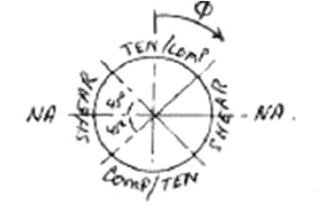
 |  | 90 | 59387 | 0 | 19762.794138 | 79150 | 1.58E+06 | 1.50E+06
 |  | 80 | 58484 | 0 | 19762.794138 | 78247 | 1.58E+06 | 1.50E+06
 |  | 70 | 55804 | 0 | 19762.794138 | 75567 | 1.58E+06 | 1.50E+06
 |  | 60 | 51428 | 0 | 19762.794138 | 71191 | 1.57E+06 | 1.50E+06
 |  | 50 | 45491 | 0 | 1.98E+04 | 65253 | 1.57E+06 | 1.50E+06
 |  | 40 | 38171 | 0 | 19762.794138 | 57934 | 1.56E+06 | 1.50E+06
 |  | 30 | 29692 | 0 | 19762.794138 | 49454 | 1.55E+06 | 1.50E+06
 |  | 20 | 20310 | 0 | 19762.794138 | 40073 | 1.54E+06 | 1.50E+06
 |  | 10 | 10312 | 0 | 19762.794138 | 30074 | 1.53E+06 | 1.50E+06
 |  | 0 | 0 | 0 | 19762.794138 | 19763 | 1.52E+06 | 1.50E+06
 |  | 350 | -10339 | 0 | 19762.794138 | 9424 | 1.51E+06 | 1.50E+06
 |  | 340 | -20336 | 0 | 19762.794138 | -573 | 1.50E+06 | 1.50E+06
 |  | 330 | -29715 | 0 | 19762.794138 | -9953 | 1.51E+06 | 1.50E+06
 |  | 320 | -38192 | 0 | 19762.794138 | -18429 | 1.52E+06 | 1.50E+06
 |  | 310 | -45508 | 0 | 19762.794138 | -25746 | 1.53E+06 | 1.50E+06
 |  | 300 | -51442 | 0 | 19762.794138 | -31679 | 1.53E+06 | 1.50E+06
 |  | 290 | -55813 | 0 | 19762.794138 | -36050 | 1.54E+06 | 1.50E+06
 |  | 280 | -58489 | 0 | 19762.794138 | -38726 | 1.54E+06 | 1.50E+06
 |  | 270 | -59387 | 0 | 19762.794138 | -39624 | 1.54E+06 | 1.50E+06
 |  | 260 | -58481 | 0 | 19762.794138 | -38719 | 1.54E+06 | 1.50E+06
 |  | 250 | -55799 | 0 | 19762.794138 | -36036 | 1.54E+06 | 1.50E+06
 |  | 240 | -51422 | 0 | 19762.794138 | -31659 | 1.53E+06 | 1.50E+06
 |  | 230 | -45482 | 0 | 19762.794138 | -25719 | 1.53E+06 | 1.50E+06
 |  | 220 | -38160 | 0 | 19762.794138 | -18398 | 1.52E+06 | 1.50E+06
 |  | 210 | -29680 | 0 | 19762.794138 | -9917 | 1.51E+06 | 1.50E+06
 |  | 200 | -20297 | 0 | 19762.794138 | -534 | 1.50E+06 | 1.50E+06
 |  | 190 | -10298 | 0 | 19762.794138 | 9465 | 1.51E+06 | 1.50E+06
 |  | 180 | 14 | 0 | 19762.794138 | 19777 | 1.52E+06 | 1.50E+06

 |  | Calculate Skin Thickness
 |  | Max Total shear flow |  | 79149.87 | N/m
 |  | Shear yield stress |  | 262.69 | MPa
 |  | Skin thickness |  | 0.0003 | m |  | 0.30130019795

Step 3 |  | Bending condition
Calculate maximum stress and fuselage mass for given stringer dimensions |  | Description |  | Symbol | Value | Unit
 |  | Bending moment |  | M | -5.07E+06 | Nm
 |  | Diameter of fuselage |  | D | 6.38 | m
 |  | Circumference |  | C | 20.043 | m
 |  | Stringer spacing |  | b | 0.158 | m
 |  | No. of stringers |  |  | 127.0
 |  | Fuselage skin thickness |  | t_f | 0.0017 | m
 |  | Single stringer area |  |  | 0.00010 | m^2
 |  | Skin equivalent boom area |  |  | 2.68E-04 | m^2 |  | 0.0021368193686 | 4.3435134165E-05
 |  | Single Boom area |  | S | 0.00037 | m^2

 |  | Boom Properties
 |  | Boom | Angle | X | Y | Area*arm | I
 |  | 1 | 0 | 3.190 | 0.000 | 0.0000 | 0
 |  | 2 | 5.8 | 3.174 | 0.322 | 0.0001 | 3.8165579879E-05
 |  | 3 | 11.6 | 3.125 | 0.641 | 0.0002 | 0.00015110327463
 |  | 4 | 17.4 | 3.044 | 0.954 | 0.0004 | 0.0003341996358
 |  | 5 | 23.2 | 2.932 | 1.257 | 0.0005 | 0.00057997526843
 |  | 6 | 29 | 2.790 | 1.547 | 0.0006 | 0.00087839036063
 |  | 7 | 34.8 | 2.619 | 1.821 | 0.0007 | 0.0012172548049
 |  | 8 | 40.6 | 2.422 | 2.076 | 0.0008 | 0.0015827261577
 |  | 9 | 46.4 | 2.200 | 2.310 | 0.0008 | 0.0019598750969
 |  | 10 | 52.2 | 1.955 | 2.521 | 0.0009 | 0.0023332952764
 |  | 11 | 58 | 1.690 | 2.705 | 0.0010 | 0.0026877326685
 |  | 12 | 63.8 | 1.408 | 2.862 | 0.0011 | 0.0030087086825
 |  | 13 | 69.6 | 1.112 | 2.990 | 0.0011 | 0.0032831116086
 |  | 14 | 75.4 | 0.804 | 3.087 | 0.0011 | 0.0034997322241
 |  | 15 | 81.2 | 0.488 | 3.152 | 0.0012 | 0.0036497216851
 |  | 16 | 87 | 0.167 | 3.186 | 0.0012 | 0.0037269529969
 |  | 17 | 92.8 | -0.156 | 3.186 | 0.0012 | 0.0037282712991
 |  | 18 | 98.6 | -0.477 | 3.154 | 0.0012 | 0.0036536227396
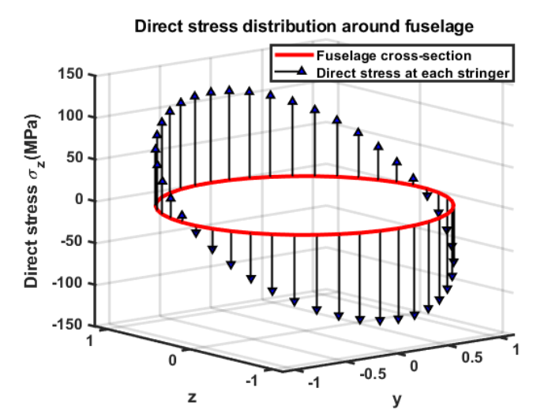
 |  | 19 | 104.4 | -0.793 | 3.090 | 0.0011 | 0.0035060566748
 |  | 20 | 110.2 | -1.102 | 2.994 | 0.0011 | 0.0032916011049
 |  | 21 | 116 | -1.398 | 2.867 | 0.0011 | 0.0030190164327
 |  | 22 | 121.8 | -1.681 | 2.711 | 0.0010 | 0.0026994376061
 |  | 23 | 127.6 | -1.946 | 2.527 | 0.0009 | 0.0023459192606
 |  | 24 | 133.4 | -2.192 | 2.318 | 0.0009 | 0.0019729024441
 |  | 25 | 139.2 | -2.415 | 2.084 | 0.0008 | 0.0015956247075
 |  | 26 | 145 | -2.613 | 1.830 | 0.0007 | 0.0012294976578
 |  | 27 | 150.8 | -2.785 | 1.556 | 0.0006 | 0.0008894774023
 |  | 28 | 156.6 | -2.928 | 1.267 | 0.0005 | 0.00058945359872
 |  | 29 | 162.4 | -3.041 | 0.965 | 0.0004 | 0.00034168206964
 |  | 30 | 168.2 | -3.123 | 0.652 | 0.0002 | 0.00015628415834
 |  | 31 | 174 | -3.173 | 0.333 | 0.0001 | 4.0833276949E-05
 |  | 32 | 179.8 | -3.190 | 0.011 | 0.0000 | 4.5536334183E-08
 |  | 33 | 185.6 | -3.175 | -0.311 | -0.0001 | 3.558709534E-05
 |  | 34 | 191.4 | -3.127 | -0.631 | -0.0002 | 0.00014600609902
 |  | 35 | 197.2 | -3.047 | -0.943 | -0.0003 | 0.0003267919862
 |  | 36 | 203 | -2.936 | -1.246 | -0.0005 | 0.00057055974364
 |  | 37 | 208.8 | -2.795 | -1.537 | -0.0006 | 0.00086735158013
 |  | 38 | 214.6 | -2.626 | -1.811 | -0.0007 | 0.0012050436973
 |  | 39 | 220.4 | -2.429 | -2.068 | -0.0008 | 0.0015698415408
 |  | 40 | 226.2 | -2.208 | -2.302 | -0.0008 | 0.0019468433007
 |  | 41 | 232 | -1.964 | -2.514 | -0.0009 | 0.0023206486434
 |  | 42 | 237.8 | -1.700 | -2.699 | -0.0010 | 0.0026759878073
 |  | 43 | 243.6 | -1.418 | -2.857 | -0.0010 | 0.0029983453648
 |  | 44 | 249.4 | -1.122 | -2.986 | -0.0011 | 0.0032745531707
 |  | 45 | 255.2 | -0.815 | -3.084 | -0.0011 | 0.003493328274
 |  | 46 | 261 | -0.499 | -3.151 | -0.0012 | 0.003645733821
 |  | 47 | 266.8 | -0.178 | -3.185 | -0.0012 | 0.003725544121
 |  | 48 | 272.6 | 0.145 | -3.187 | -0.0012 | 0.0037294989632
 |  | 49 | 278.4 | 0.466 | -3.156 | -0.0012 | 0.0036574367944
 |  | 50 | 284.2 | 0.783 | -3.093 | -0.0011 | 0.003512301318
 |  | 51 | 290 | 1.091 | -2.998 | -0.0011 | 0.0033000212458
 |  | 52 | 295.8 | 1.388 | -2.872 | -0.0011 | 0.0030292681129
 |  | 53 | 301.6 | 1.672 | -2.717 | -0.0010 | 0.0027111020496
 |  | 54 | 307.4 | 1.938 | -2.534 | -0.0009 | 0.0023585199806
 |  | 55 | 313.2 | 2.184 | -2.325 | -0.0009 | 0.0019859247076
 |  | 56 | 319 | 2.408 | -2.093 | -0.0008 | 0.0016085365614
 |  | 57 | 324.8 | 2.607 | -1.839 | -0.0007 | 0.0012417716594
 |  | 58 | 330.6 | 2.779 | -1.566 | -0.0006 | 0.00090061216476
 |  | 59 | 336.4 | 2.923 | -1.277 | -0.0005 | 0.00059899427254
 |  | 60 | 342.2 | 3.037 | -0.975 | -0.0004 | 0.00034923892305
 |  | 61 | 348 | 3.120 | -0.663 | -0.0002 | 0.00016154849766
 |  | 62 | 353.8 | 3.171 | -0.345 | -0.0001 | 4.3590056532E-05
 |  |  |  | 3.190 | 0.000

 |  | Direct Stress Analysis
 |  | Centroid in X |  |  | 0
 |  | Second moment of area |  | I | 0.2376 | m^4
 |  | Max stress edge |  | c | 3.1862 | m
 |  | Max direct stress |  | sigma | -67.968 | MPa
 |  | Total cross-section area |  | A | 0.046654868522 | m^2
 |  | Fuselage weight per unit length |  |  | 1.30E+02 | kg/m
 |  |  | Boom area from skin can also be considered as 15*t

Step 4:
Define detailed stringer dimensions |  | 1.De-boom areas to skin and stringer
 |  | 2.Design stringer shape to match the area
 |  | Z shape stringer example
 |  | Stringer thickness |  | t_s | 3 | mm
 |  | Stringer height |  | h | 80 | mm
 |  | Stringer flange |  | L | 55 | mm
 |  | Stringer Area |  | A_s | 552 | mm^2
 |  | Match pre-determined stringer area |  |  | 98.800887266 | mm^2

 |  | 2 Example Stringer dimensions
 |  | Description |  | Symbol | Unit | Design 1 | Design 2
 |  | Stringer spacing |  | b | m | 0.235 | 0.152
 |  | No. of stringers |  |  |  | 40 | 62
 |  | Single stringer area |  |  | mm^2 | 900 | 550
 |  | Stringer thichness |  | t_s | mm | 3 | 3
 |  | Stringer height |  | h | mm | 120 | 80
 |  | Stringer flange |  | L | mm | 60 | 55
 |  | Single Stringer Area |  | A_s | mm^2 | 702 | 552

 |  | Design 1 |  |  |  |  | Design 2
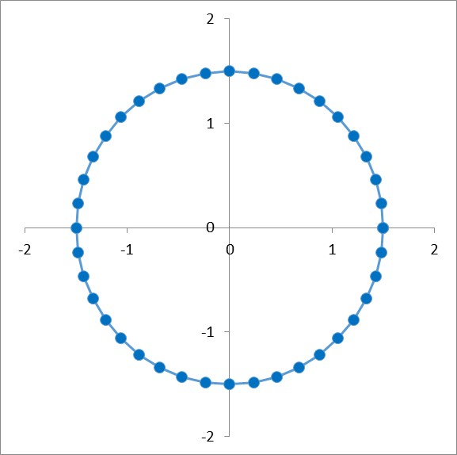
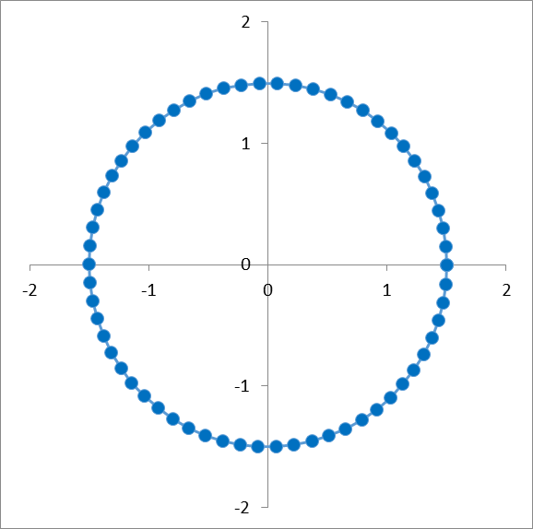

Step 5:
Analyse the structure to check for failure |  | 1. Check stringer stress with yield and Euler buckling

 |  | 2. Check bay area between stringers with yield and local plate buckling stress.

Light frames
 | Light Frames |  |  |  | Objective: |  | To conduct a minimum area fuselage frame design analysis

b
Step 1 |  | Frame Parameters
Define frame geometric and material parameters |  | Parameter | Symbol | Value | Units
 |  | Young's modulus | E | 7.30E+01 | GPa
 |  | Diameter of fuselage | D | 6.38E+00 | m
 |  | Frame spacing | L | 5.00E-01 | m
 |  | Bending moment on fuselage | M_ult | 7.00E+05 | Nm
 |  | Empirical correction factor | C_f | 6.25E-05
 |  | Frame height | h | 1.50E-02 | m

Step 2
Calculate frame structural properties |  | Structural Properties
 |  | Property | Symbol | Value | Units
 |  | Frame stiffness | EI | 3.56E+03 | N*m^2
 |  | Moment of inertia of frame | I | 4.88E-08 | m^4
 |  | Moment of inertia of frame about x | I_xx | 4.88E-08 | m^4
 |  | Frame width | b | 1.73E-01 | m
 |  | Frame cross-section area | A | 2.60E-03 | m^2
 |  |  |  | 2.60E+03 | mm^2

Frame section sizing with constant Ixx
Step 3 |  | Mimimum Area Design |  |  |  | Frame Thickness |  | Web Height h (m)
Conduct a minimum area fuselage frame design analysis |  | Variable | Value | Unit |  |  |  | 0.12 | 0.11 | 0.1 | 0.09 | 0.08 | 0.07 | 0.06 | 0.05
 |  | Frame Area |  | m^2 |  | Flange width b (m) | 0 | 0.000339 | 0.000440 | 0.000585 | 0.000803 | 0.001144 | 0.001707 | 0.002711 | 0.004684
 |  | Web Height |  |  |  |  | 0.01 | 0.000226 | 0.000285 | 0.000366 | 0.000482 | 0.000653 | 0.000919 | 0.001355 | 0.002129
 |  | Flange Width |  |  |  |  | 0.02 | 0.000169 | 0.000210 | 0.000266 | 0.000344 | 0.000457 | 0.000629 | 0.000904 | 0.001378
 |  |  |  |  |  |  | 0.03 | 0.000136 | 0.000167 | 0.000209 | 0.000268 | 0.000352 | 0.000478 | 0.000678 | 0.001018
 |  |  |  |  |  |  | 0.04 | 0.000113 | 0.000138 | 0.000172 | 0.000219 | 0.000286 | 0.000385 | 0.000542 | 0.000808
 |  |  |  |  |  |  | 0.05 | 0.000097 | 0.000118 | 0.000146 | 0.000185 | 0.000241 | 0.000323 | 0.000452 | 0.000669
 |  |  |  |  |  |  | 0.06 | 0.000085 | 0.000103 | 0.000127 | 0.000161 | 0.000208 | 0.000278 | 0.000387 | 0.000571

 |  |  |  |  |  | Frame Area |  | Web height h (m)
 |  |  |  |  |  |  |  | 0.12 | 0.11 | 0.1 | 0.09 | 0.08 | 0.07 | 0.06 | 0.05
 |  |  |  |  |  | Flange width b (m) | 0 | 0.000041 | 0.000048 | 0.000059 | 0.000072 | 0.000091 | 0.000119 | 0.000163 | 0.000234
 |  |  |  |  |  |  | 0.01 | 0.000032 | 0.000037 | 0.000044 | 0.000053 | 0.000065 | 0.000083 | 0.000108 | 0.000149
 |  | 2.0328966895E-05 |  |  |  |  | 0.02 | 0.000027 | 0.000032 | 0.000037 | 0.000045 | 0.000055 | 0.000069 | 0.000090 | 0.000124
 |  |  |  |  |  |  | 0.03 | 0.000024 | 0.000028 | 0.000033 | 0.000040 | 0.000049 | 0.000062 | 0.000081 | 0.000112
 |  |  |  |  |  |  | 0.04 | 0.000023 | 0.000026 | 0.000031 | 0.000037 | 0.000046 | 0.000058 | 0.000076 | 0.000105
 |  |  |  |  |  |  | 0.05 | 0.000021 | 0.000025 | 0.000029 | 0.000035 | 0.000043 | 0.000055 | 0.000072 | 0.000100
 |  |  |  |  |  |  | 0.06 | 0.000020 | 0.000024 | 0.000028 | 0.000034 | 0.000042 | 0.000053 | 0.000070 | 0.000097

Heavy frames
 | Heavy Frames |  |  |  | Objective: |  | Calculate the stresses in a heavy frame due to an applied load

Step 1 |  | Geometry
Define geometry and physical properties |  | Description | Symbol | Value | Unit
 |  | Diameter of fuselage | D | 6.38 | m
 |  | Fuselage skin thickness | t_f | 0.0003 | m
 |  | Section width | b | 0.02 | m
 |  | Section depth | h | 0.1 | m
 |  | Frame section area | A_f | 0.002 | m^2
 |  | Distance to edge | y_c | 0.05 | m
 |  | Second moment of area of frame | I_f | 1.6666666667E-06 | m^4

 |  | Shear yield stress = Max shear stress, find skin thickness
 |  | Shear yield stress |  | 262.69 | MPa

Step 2 |  | Loading
Define load cases in tangential, radial and torsional components |  | Tangential load | P | 1.00E+06 | N
 |  | Radial load | Q | 0 | N
 |  | Moment | T | 0 | Nm

Step 3
Formulate equations for the shear, normal and bending moment loads caused by the applied loads

Tangential load P
§ |  | Tangential Load P
Calculate shear, normal and bending moments from tangential load |  | Angle deg | rad | N | S | M
 |  | 0 | 0.000 | 500000.00 | 238732.41 | 0.00
 |  | 30 | 0.524 | 321055.18 | 19737.72 | -202703.63
 |  | 60 | 1.047 | 97750.55 | -89731.46 | -127860.52
 |  | 90 | 1.571 | -79577.47 | -90845.06 | 35943.60
 |  | 120 | 2.094 | -152249.45 | -24971.36 | 137972.81
 |  | 150 | 2.618 | -111957.52 | 48572.16 | 115273.55
 |  | 180 | 3.142 | 0.00 | 79577.47 | 0.00
 |  | 210 | 3.665 | 111957.52 | 48572.16 | -115273.55
 |  | 240 | 4.189 | 152249.45 | -24971.36 | -137972.81
 |  | 270 | 4.712 | 79577.47 | -90845.06 | -35943.60
 |  | 300 | 5.236 | -97750.55 | -89731.46 | 127860.52
 |  | 330 | 5.760 | -321055.18 | 19737.72 | 202703.63
 |  | 360 | 6.283 | -500000.00 | 238732.41 | 0.00

 |  | Maximum Load
 |  | Section normal load | N | 500000.00 | N
 |  | Section shear load | S | 238732.41 | N
 |  | Section moment load | M | 202703.63 | Nm
 |  | Max Direct stress | sigma | 250.000 | Mpa
 |  | Max Shear stress | sigma | 119.366 | Mpa
 |  | Max Bending stress | sigma | 6081.1090 | Mpa

